Tableau
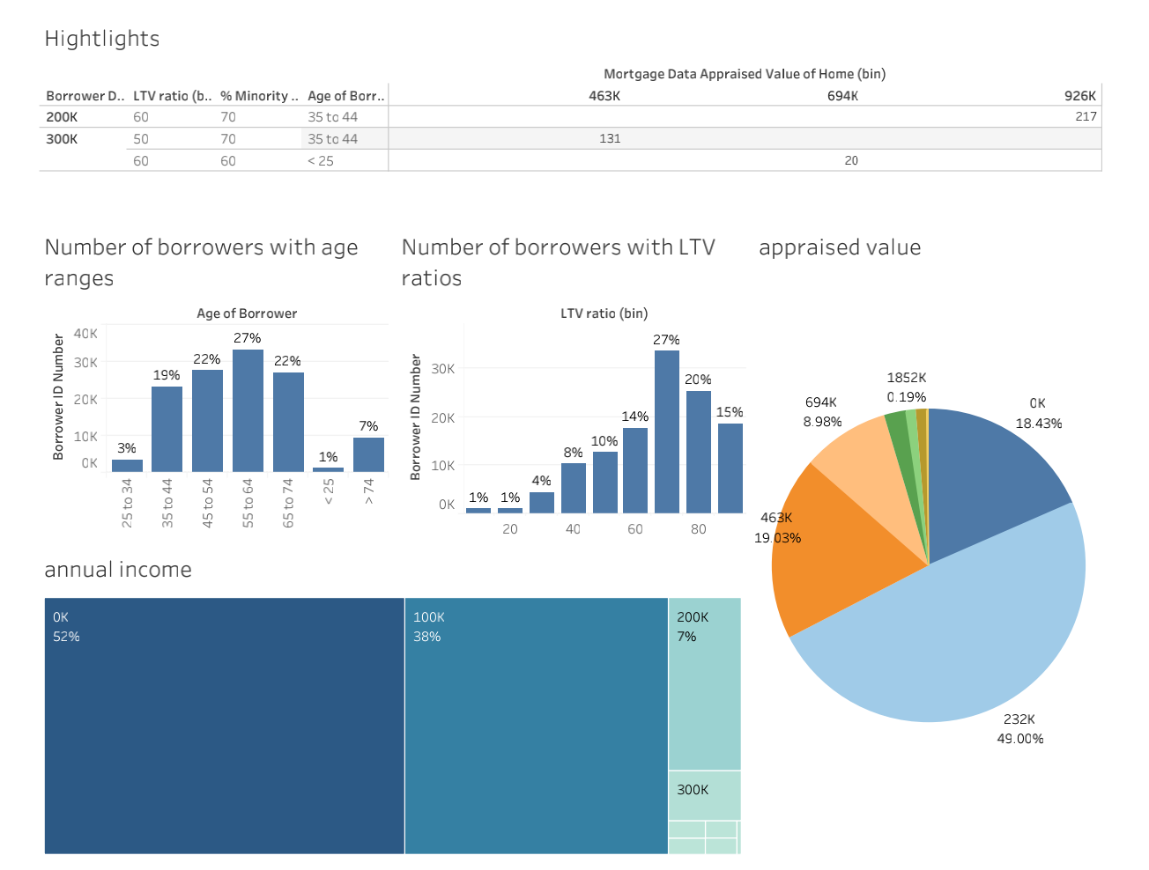

age ranges
Number of borrowers with age ranges
Row Labels | Sum of Borrower ID Number
< 25 | 1128
> 74 | 9329
25 to 34 | 3625
35 to 44 | 23213
45 to 54 | 27645
55 to 64 | 33220
65 to 74 | 27090
Grand Total | 125250

average

age ranges

 |  | The majority borrowers are aged from 35 to 74.

appraised home values
Number of borrowers in appraised home value ranges
Row Labels | Number of borrowers in appraised home value ranges
35000-234999 | 23084
235000-434999 | 55964
435000-634999 | 22106
635000-834999 | 16253
835000-1034999 | 3645
1035000-1234999 | 1670
1235000-1434999 | 1126
1435000-1634999 | 1170
1835000-2034999 | 232
Grand Total | 125250

average appraised value of home | 434760

231500

Number of borrowers in appraised home value ranges

 |  | 63% borrowers' appraised home values are below 435000. Set the threshold as 435,000, which means people, who have homes worth than or over this amount, are more likely to want to invest in financial products and services further or borrow against them.

annual income
Number of borrowers in annual income ranges
Row Labels | Number of borrowers in annual income ranges
18000-117999 | 80730
118000-217999 | 34045
218000-317999 | 7239
318000-417999 | 1537
418000-517999 | 96
518000-617999 | 804
618000-717999 | 426
1518000-1617999 | 373
Grand Total | 125250

average | 127626

99999

Number of borrowers in annual income ranges

 |  | 92% borrowers' annual income are below 218,000. Set the threshold as 218,000, which means people, who have annual income equal or more than this amount, are more likely to want to invest in financial products and services further or borrow against them.

% minority
Number of borrowers with % minority in local areas
Row Labels | Number of borrowers with % minority in local areas
0-10 | 28086
10-20 | 35305
20-30 | 17544
30-40 | 13336
40-50 | 10777
50-60 | 6359
60-70 | 2979
70-80 | 4204
80-90 | 3496
90-100 | 3164
Grand Total | 125250

Number of borrowers with % minority in local areas

 |  | The percentage of borrowers, who have homes in locations with over 60% minority population, is 11%.

LTV
Number of borrowers with LTV ratios
Row Labels | Number of borrowers with LTV ratios
10-20 | 1216
20-30 | 1077
30-40 | 4401
40-50 | 10409
50-60 | 12745
60-70 | 17717
70-80 | 33596
80-90 | 25416
90-100 | 18673
Grand Total | 125250

Numbe of borrowers with LTV ratios

 |  | The percentage of borrowers with LTV ratios below 80 is 65%.

